WEAS cablagem
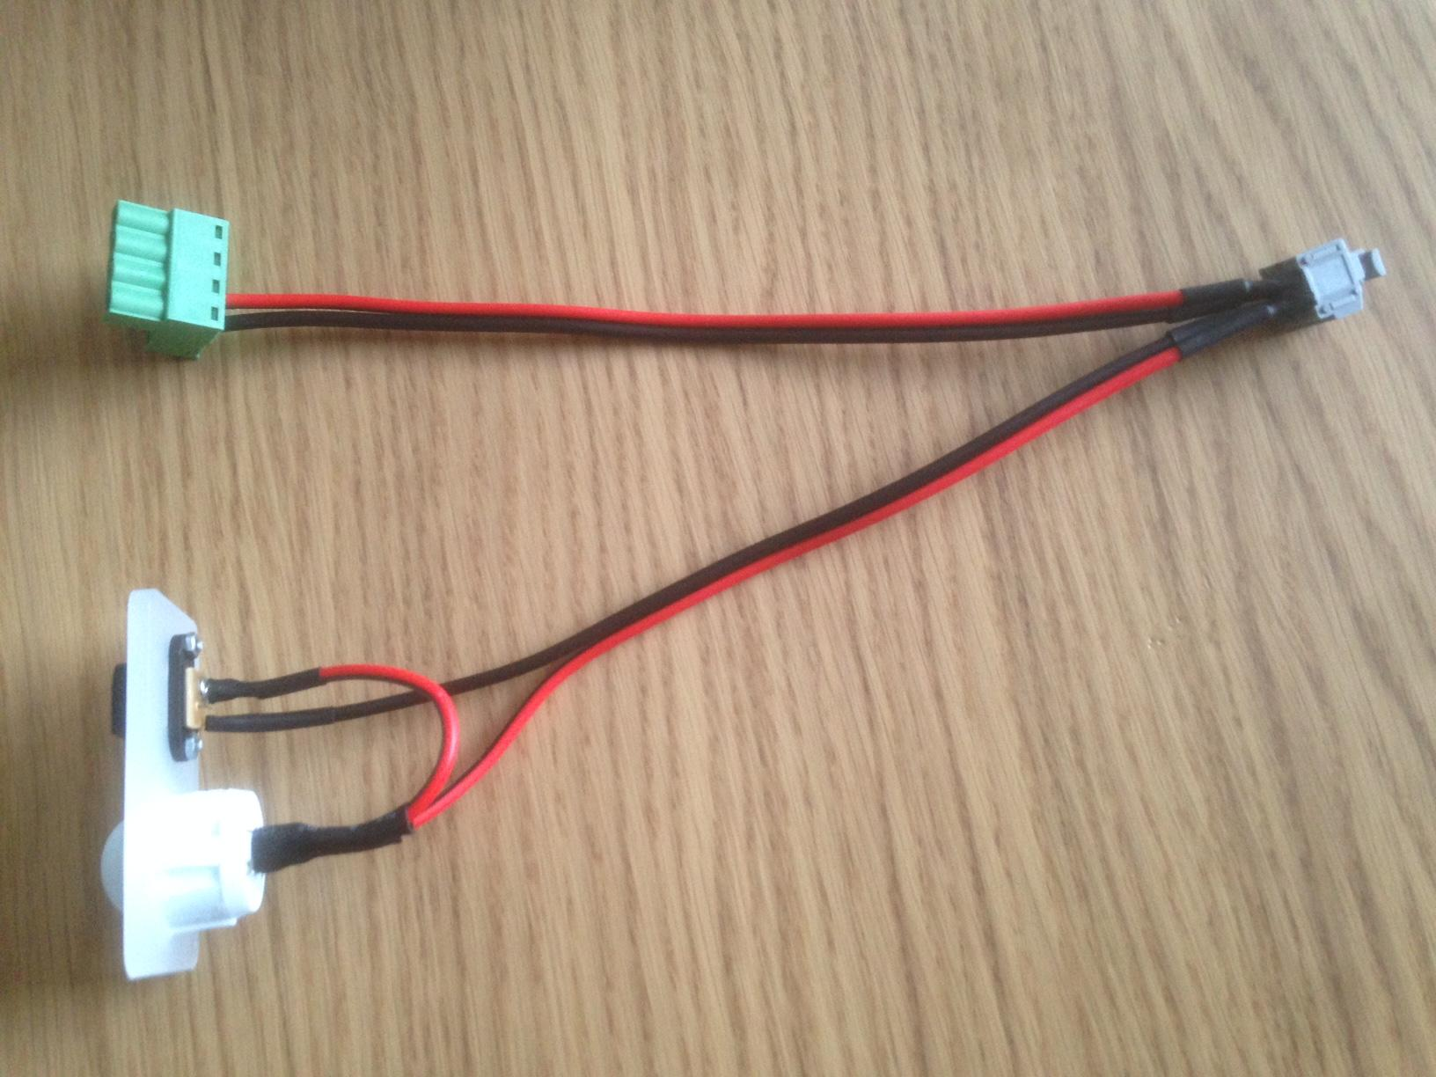
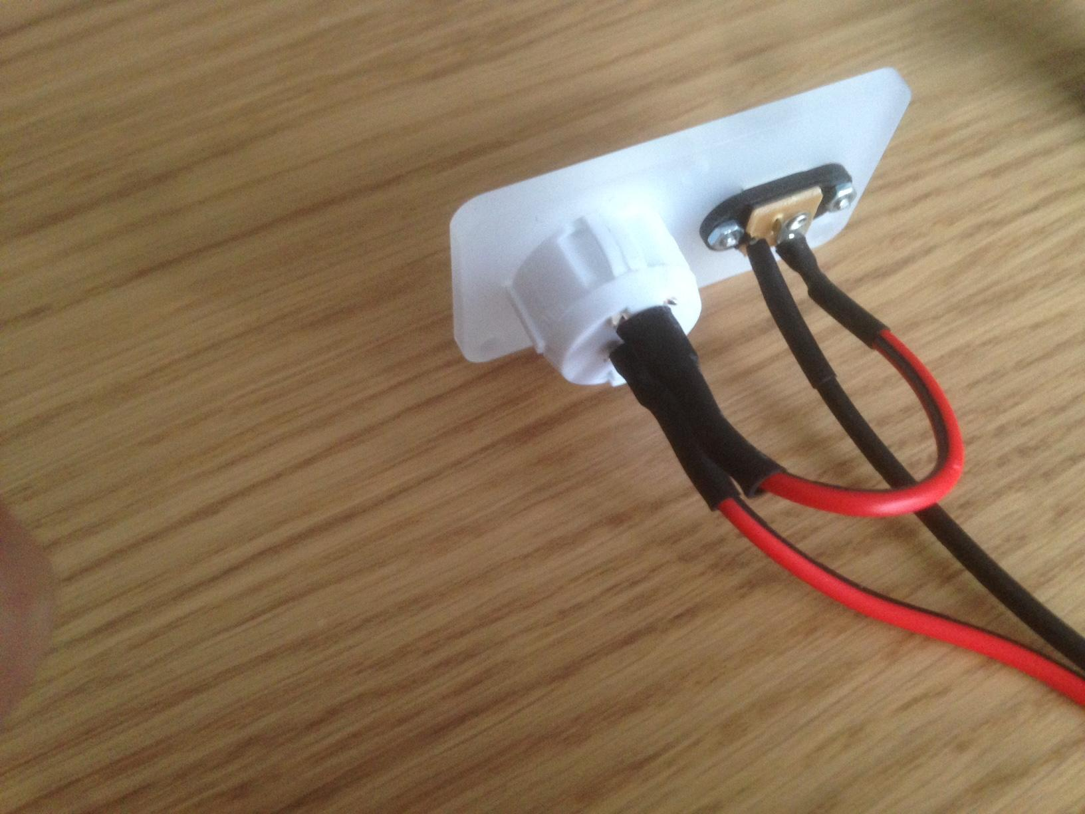
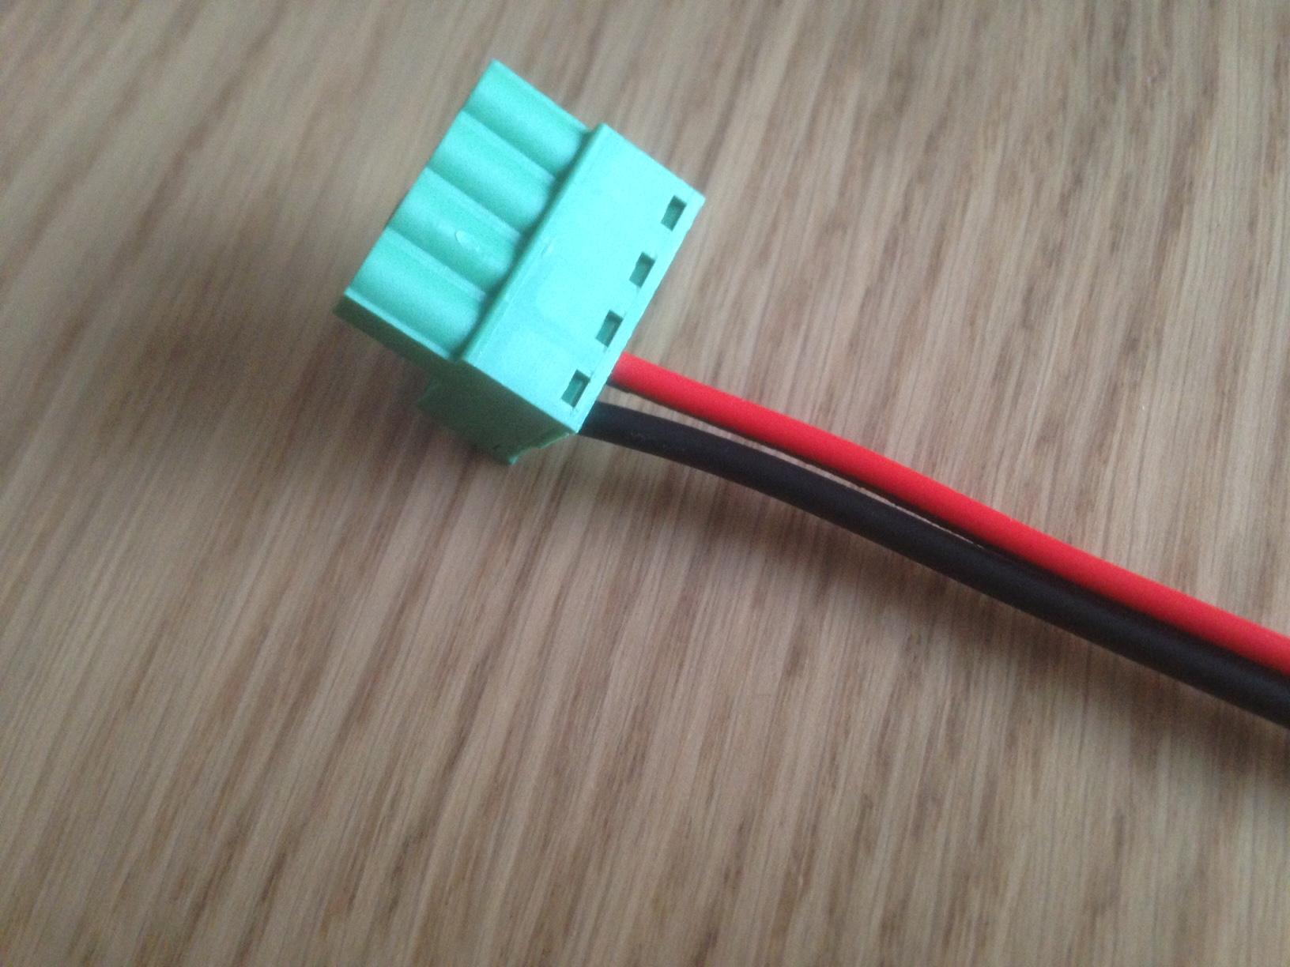
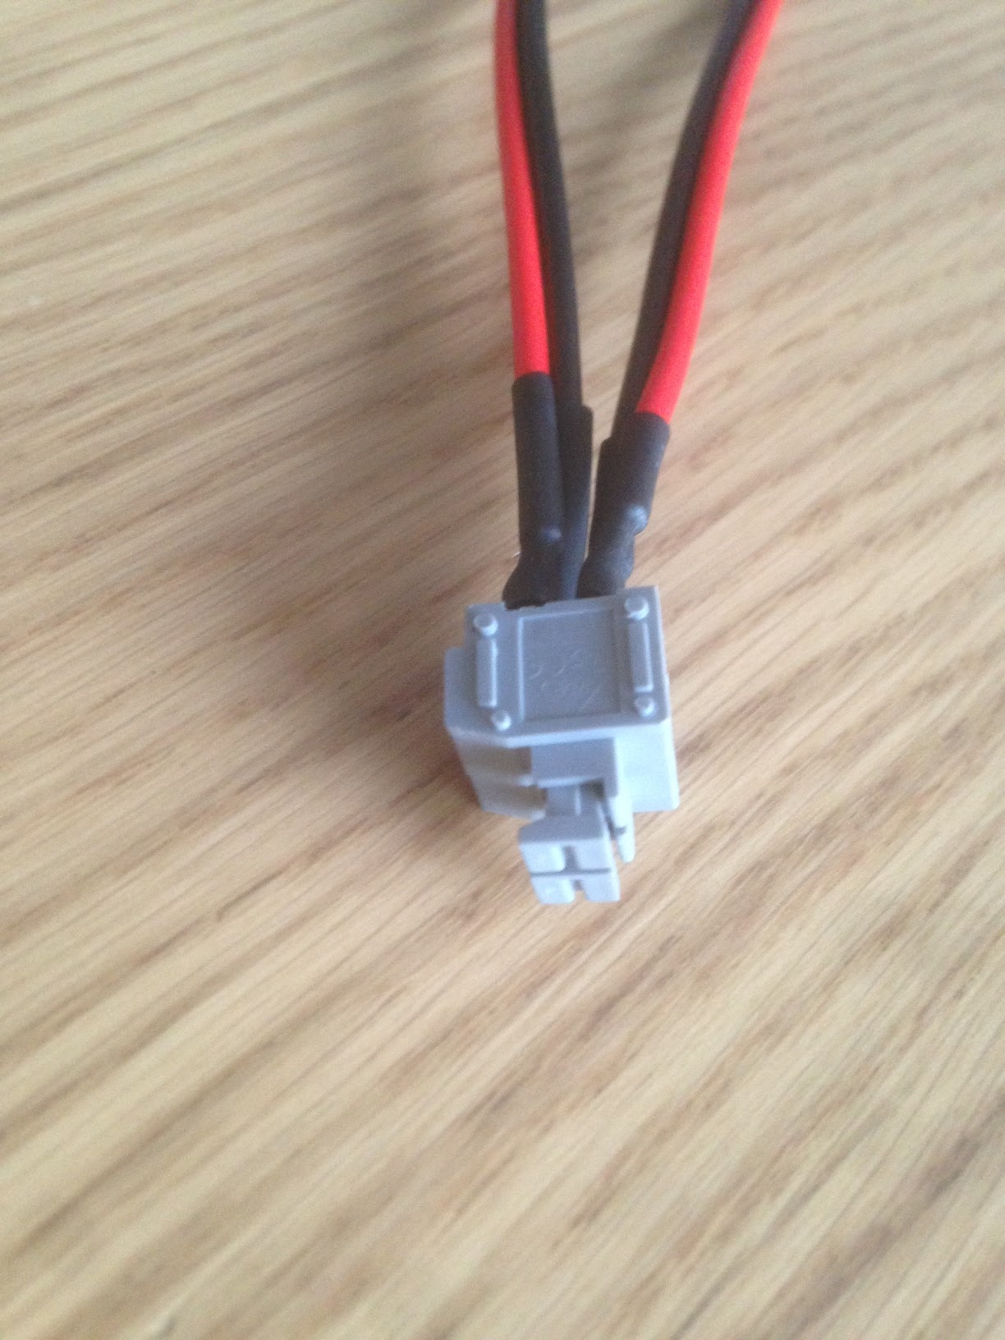
 | Pedido de Orçamento para Cablagem da BLOCKS zero
 |  | Comprimento (cm) | Terminações | Datasheet
 | Cables
1 | Endstop X | 95 | Jst e Fim de Curso (Com/NC) | https://www.omron.com/ecb/products/pdf/en-d2f.pdf
1 | Endstop Y | 15 | Jst e Fim de Curso (Com/NC) | https://www.omron.com/ecb/products/pdf/en-d2f.pdf
1 | Endstop Z | 15 | Jst e Fim de Curso (Com/NC) | https://www.omron.com/ecb/products/pdf/en-d2f.pdf
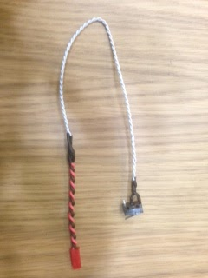
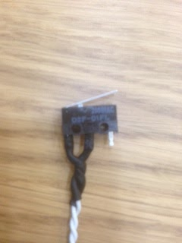
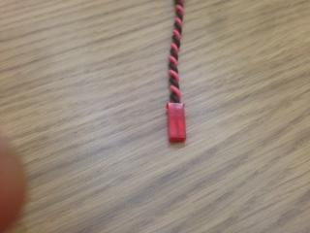

 | Conjunto Power | 2x20 cm + 7 cm | 12V/6A requisitos mínimos
1 | DC power plug | ver fotos abaixo | 2 x Soldar e Manga termoretráctil | http://www.cliffuk.co.uk/products/dcconnectors/FC681492.pdf
1 | Power switch white | ver fotos abaixo | 2 x Soldar e Manga termoretráctil | http://www.bulgin.com/media/bulgin/data/A_Rocker%20Switch.pdf
1 | Caixa de junção | ver fotos abaixo | 4 x Soldar e Manga termoretráctil | http://www.degson.com/20081120/epdf/1175.pdf
1 | Ficha verde Ramps | ver fotos abaixo | 2 x Esmagar com parafuso | fornecida com o Ramps

